Cover
PRAKTIKUM PERANCANGAN SISTEM TERINTEGRASI I

LEMBAR RENCANA PROSES (LRP)



 |  | Disusun Oleh
 | Kelompok (19)
 | Nama |  | NIM
 | Diva Alifia Ayala |  | 13423105
 | Chindy Herpati |  | 13423121
 | I Made Gede Yoga S. |  | 13423124
 | Ghaida Tsurayya |  | 13423128
 | Yoel Salvador |  | 13423135
 | M. Yasin Nurfadlilah |  | 13423136
 | Ikrom Nur Khanyfah |  | 13423140
 | Ega Mizuar |  | 13423150

PROGRAM STUDI TEKNIK INDUSTRI

INSTITUT TEKNOLOGI BANDUNG

2024

Stripper
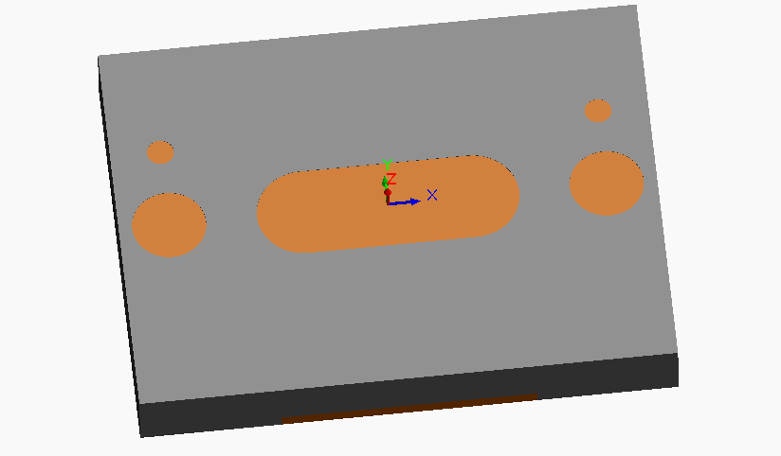
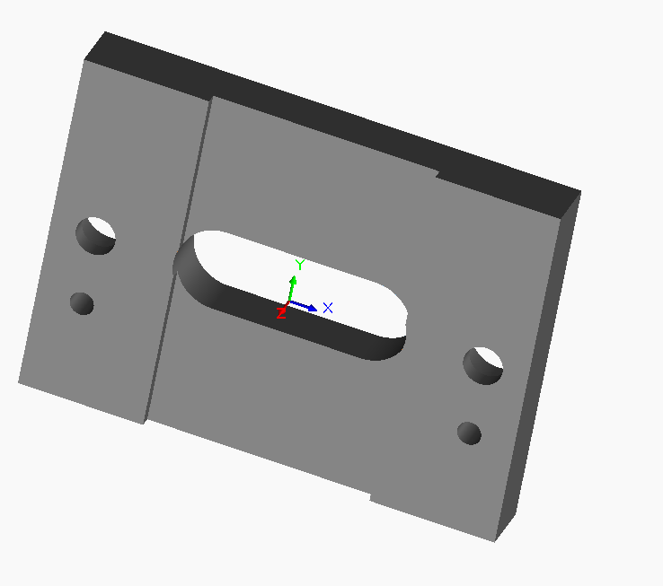
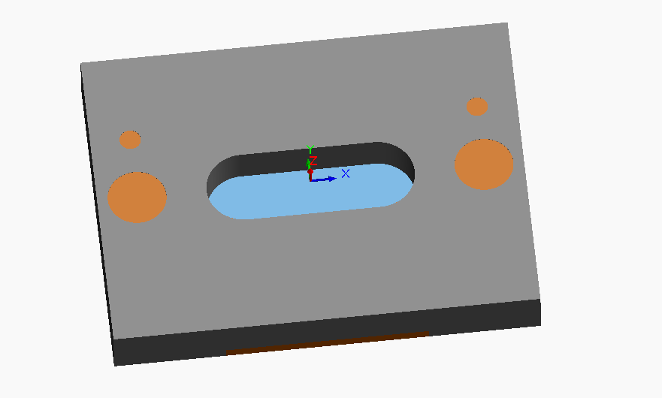
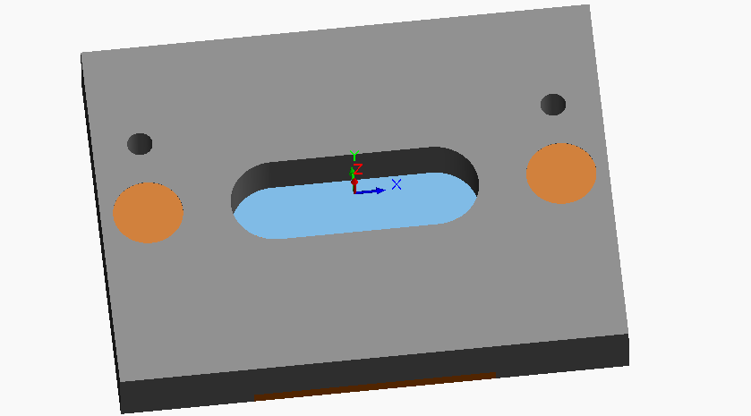
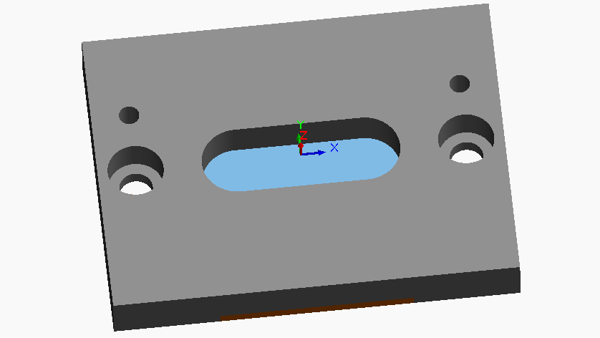
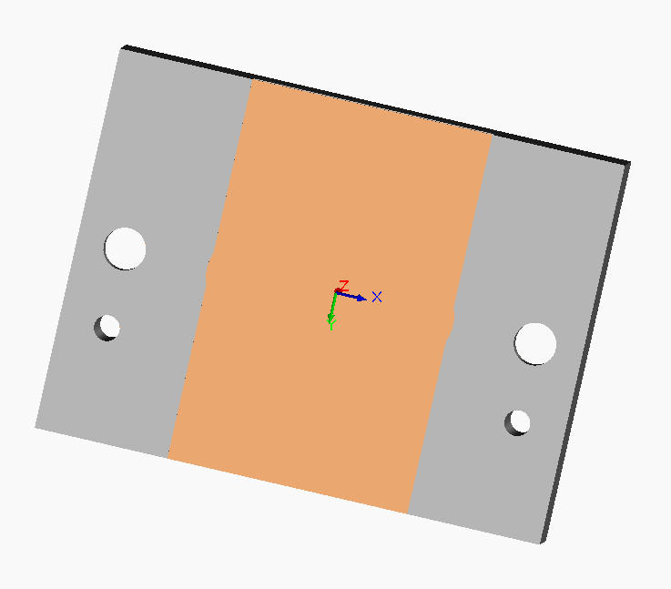
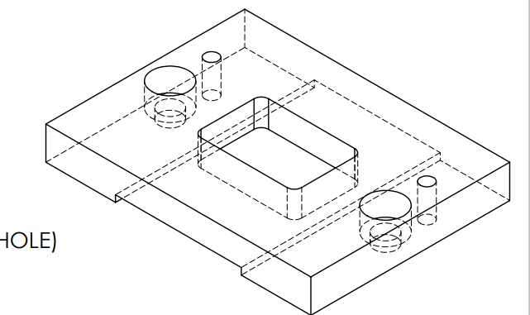
LEMBAR RENCANA PROSES |  |  |  |  |  |  |  |  | GAMBAR PART

No . | 1.3 |  |  | Halaman ke-
No . Part | 1.3 |  |  | File Gambar
Nama Part | Stripper |  |  | Material | SS41
 |  |  |  | Ukuran | Panjang | 80 |  | mm
Dibuat oleh | Kelompok 19 |  |  |  | Lebar/Diameter | 60 |  | mm
Tanggal | 14 Desember 2024 |  |  |  | Tinggi | 10 |  | mm

No. Proses | Urutan Operasi | Stasiun Kerja | Setup |  | Tools | Waktu Setup (detik) | Waktu Proses (detik) | Waktu Total (detik) | berat = 0.08 lbs
 |  |  | n | alat bantu
1 | Slot Milling (L = 39mm, d = 4mm, w = 14mm) Center Slot 2x | CNC Milling |  | Standard Vise | HSS Milling Tools | 194.04 | 4.742857143 | 198.78
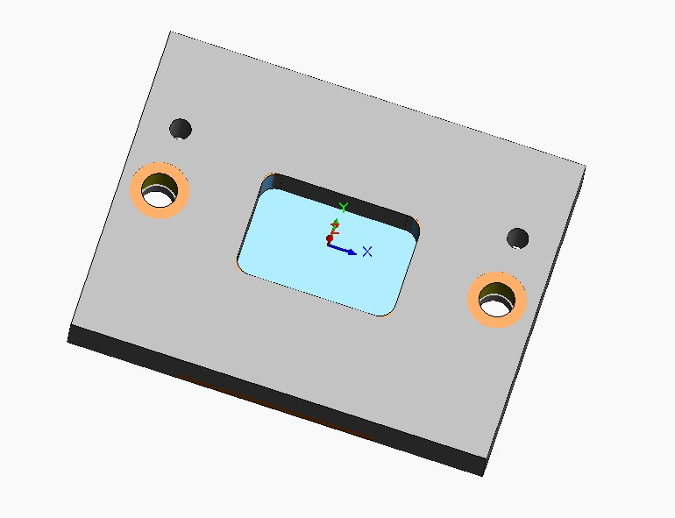
3 | Drilling (D = 4mm, d = 5mm) (Top Side) (Right) 2x | CNC Milling |  | Standard Vise | HSS Center Drill | 180.1872 | 0.29 | 180.47
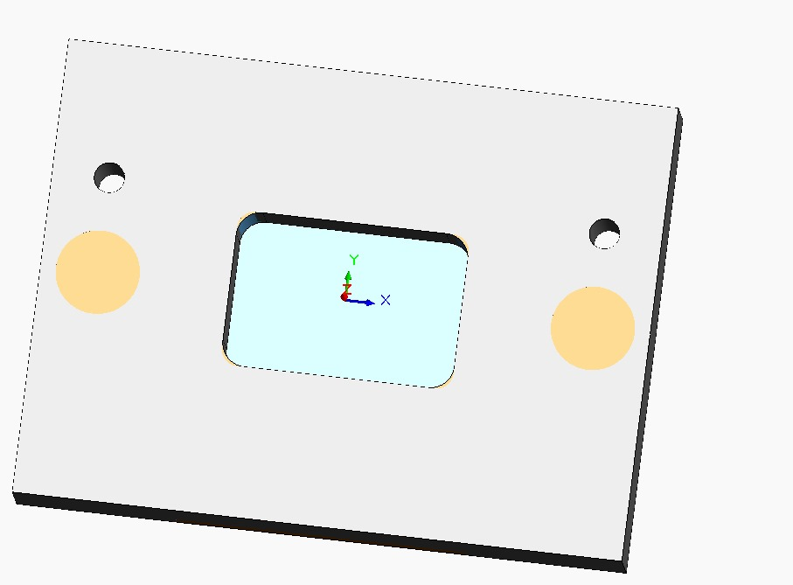
5 | Drilling (D = 4mm, d = 5mm) (Top Side) (Left) 2x | CNC Milling |  | Standard Vise | HSS Center Drill | 180.1872 | 0.29 | 180.47
7 | Slot Milling (L = 10mm, d = 4mm, w = 10mm) Right 2x | CNC Milling |  | Standard Vise | HSS Milling Tools | 194.04 | 1.43 | 195.47
9 | Slot Milling (L = 10mm, d = 4mm, w = 10mm) Left 2x | CNC Milling |  | Standard Vise | HSS Milling Tools | 194.04 | 1.43 | 195.47 |  | .
11 | Drilling (D = 6.60mm, d = 5mm) Right 2x | CNC Milling |  | Standard Vise | HSS Center Drill | 180.1872 | 0.29 | 180.47
13 | Drilling (D = 6.60mm, d = 5mm) Left2x | CNC Milling |  | Standard Vise | HSS Center Drill | 180.1872 | 0.29 | 180.47
15 | Shell-End Milling Roughing (L = 38mm, d = 2mm, w = 8mm) Center | CNC Milling |  | Standard Vise | HSS Milling Tools | 194.04 | 2.31 | 196.35
16 | Shell-End Milling Roughing (L = 38mm, d = 2mm, w = 8mm) Center | CNC Milling |  | Standard Vise | HSS Milling Tools | 194.04 | 2.31 | 196.35
17 | Shell-End Milling Roughing (L = 38mm, d = 2mm, w = 8mm) Center | CNC Milling |  | Standard Vise | HSS Milling Tools | 194.04 | 2.31 | 196.35
18 | Shell-End Milling Roughing (L = 38mm, d = 2mm, w = 8mm) Center | CNC Milling |  | Standard Vise | HSS Milling Tools | 194.04 | 2.31 | 196.35
19 | Shell-End Milling Roughing (L = 38mm, d = 2mm, w = 6mm) Center | CNC Milling |  | Standard Vise | HSS Milling Tools | 194.04 | 2.31 | 196.35
20 | Inspeksi | Bangku Kerja |  | Jangka Sorong | Jangka Sorong | 0.00 | 180.00 | 180.00

 |  |  |  |  |  |  | Total | 2473.38

 | Raw Material |  |  |  | Produk akhir yang diinginkan
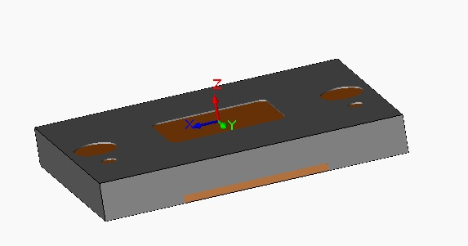
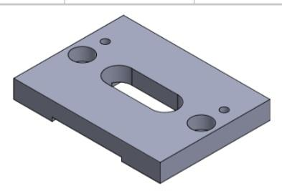

 | Ilustrasi urutan operasi berdasarkan LRP

Perhitungan LRP (Stripper)
PERHITUNGAN LEMBAR RENCANA PROSES

MILLING
No. Proses | Nama Proses | D (mm) | d (mm) | L (mm) | v (mm/min) | N (rev/min) | fr (mm/min) | w (mm) | A (mm) | Tm (min) | Tm (sekon) | MRR (mm3/min) | Volume Awal (mm3) | Scrap | %Scrap | Volume Akhir (mm3)
1 | Slot Milling (L = 39mm, d = 4mm, w = 14mm) Center Slot 2x | 5 | 4 | 39 | 8500 | 541.4012739 | 1050 | 14 | 2.5 | 0.07904761905 | 4.742857143 | 58800 | 48000 | 1560 | 0.0325 | 46440
2 | Slot Milling (L = 10mm, d = 4mm, w = 10mm) Right 2x | 5 | 4 | 10 | 8500 | 541.4012739 | 1050 | 10 | 2.5 | 0.02380952381 | 1.428571429 | 42000 | 46440 | 400 | 0.008613264427 | 46040
3 | Slot Milling (L = 10mm, d = 4mm, w = 10mm) Left 2x | 5 | 4 | 10 | 8500 | 541.4012739 | 1050 | 10 | 2.5 | 0.02380952381 | 1.428571429 | 42000 | 46040 | 400 | 0.008688097307 | 45640
4 | Shell-End Milling Roughing (L = 38mm, d = 2mm, w = 8mm) Center | 5 | 2 | 38 | 8500 | 541.4012739 | 1050 | 8 | 2.5 | 0.03857142857 | 2.314285714 | 16800 | 45640 | 380 | 0.008326029798 | 45260
5 | Shell-End Milling Roughing (L = 38mm, d = 2mm, w = 8mm) Center | 5 | 2 | 38 | 8500 | 541.4012739 | 1050 | 8 | 2.5 | 0.03857142857 | 2.314285714 | 16800 | 45260 | 380 | 0.0083959346 | 44880
6 | Shell-End Milling Roughing (L = 38mm, d = 2mm, w = 8mm) Center | 5 | 2 | 38 | 8500 | 541.4012739 | 1050 | 8 | 2.5 | 0.03857142857 | 2.314285714 | 16800 | 44880 | 380 | 0.008467023173 | 44500
7 | Shell-End Milling Roughing (L = 38mm, d = 2mm, w = 8mm) Center | 5 | 2 | 38 | 8500 | 541.4012739 | 1050 | 8 | 2.5 | 0.03857142857 | 2.314285714 | 16800 | 44500 | 380 | 0.008539325843 | 44120
8 | Shell-End Milling Roughing (L = 38mm, d = 2mm, w = 6mm) Center | 5 | 2 | 38 | 8500 | 541.4012739 | 1050 | 6 | 2.5 | 0.03857142857 | 2.314285714 | 12600 | 44120 | 380 | 0.00861287398 | 43740

TURNING
No. Proses | Nama Proses | Do (mm) | Df (mm) | d (mm) | d maks (mm) | L (mm) | f (mm/rev) | v (mm/min) | N (rev/min) | fr (mm/min) | Tm (min) | Tm (sekon) | MRR (mm3/min) | Volume Awal (mm3) | Scrap | % Scrap | Volume Akhir (mm3)

DRILLING (TERMASUK TAPPING DAN BORING)
No. Proses | Nama Proses | D (mm) | d (mm) | f (mm/rev) | v(mm/min) | N (rev/min) | fr (mm/min) | Tm (min) | Tm (sekon) | MRR (mm3/min) | Volume Awal (mm3) | Scrap | % Scrap | Volume Akhir (mm3)
1 | Drilling (D = 4mm, d = 5mm) (Top Side) (Right) 2x | 4 | 5 | 0.04 | 500 | 26250 | 1050 | 0.004761904762 | 0.2857142857 | 13188 | 43740 | 62.8318 | 0.001436483768 | 43677.1682
2 | Drilling (D = 4mm, d = 5mm) (Top Side) (Left) 2x | 4 | 5 | 0.04 | 500 | 26250 | 1050 | 0.004761904762 | 0.2857142857 | 13188 | 43677.1682 | 62.8318 | 0.001438550222 | 43614.3364
3 | Drilling (D = 6.60mm, d = 5mm) Right 2x | 6.6 | 5 | 0.04 | 500 | 26250 | 1050 | 0.004761904762 | 0.2857142857 | 35904.33 | 43614.3364 | 171.0595755 | 0.00392209511 | 43443.27682
5 | Drilling (D = 6.60mm, d = 5mm) Left2x | 6.6 | 5 | 0.04 | 500 | 26250 | 1050 | 0.004761904762 | 0.2857142857 | 35904.33 | 43443.27682 | 171.0595755 | 0.00393753851 | 43272.21725

PRESSING (BLANKING, PUNCHING, EMBOSS, DEBOSS)
No. Proses | Nama Proses | TS(MPa) | t (mm) | L (mm) | Volume Awal (mm3) | SPM | Tm (min) | Tm (s) | Scrap | %Scrap | Volume Akhir (mm3)

 |  |  |  |  |  |  |  |  |  |  |  |  |  |  | 9

PRESSING (BENDING)
No. Proses | Nama Proses | Kbf | w (mm) | TS (Mpa) | t (mm) | D (mm) | F (N) | SPM | Tm (min) | Tm (s) | Scrap (mm3)

CUTTING (TERMASUK CHAMFERING LINEAR)
No. Proses | Nama Proses | A (mm) | t (mm) | θ | Volume Awal | Scrap | % Scrap | Volume Akhir (mm3)

LANGKAH MEMBACA REFERENSI KALPAKJIAN - MILLING

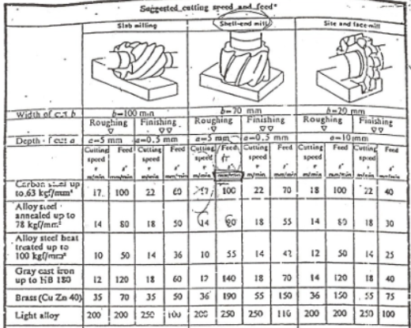
1. Operasi yang ingin digunakan?

2. Untuk operasi tersebut, perhatikan diameter tools (maximum width of cut) yang digunakan -> untuk pengulangan proses

3. Proses roughing atau finishing? Ingat semua milling harus ada proses finishing (kecuali dinyatakan sebaliknya).

4. Untuk operasi tersebut, perhatikan maksimum depth of cut -> untuk pengulangan proses

5. Material apa yang digunakan? Untuk stainless steel, gunakan 'Carbon steel up to 63 kgf/mm2'

6. Lihat cutting speed dan feed rate yang direkomendasikan.

LANGKAH MEMBACA REFERENSI KALPAKJIAN - DRILLING

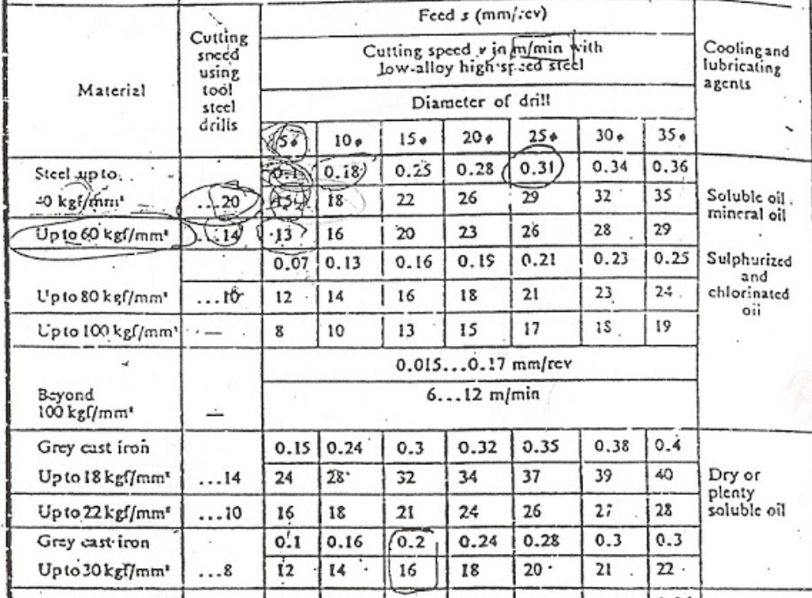
1. Berapa diameter drilling yang diinginkan?

2. Material apa yang digunakan?

3. Lihat cutting speed dan feed yang direkomendasikan (feed, bukan feed rate)
(cutting speed > feed)

4. Gunakan interpolasi apabila diperlukan (misal: ketika diameter drill 8 mm)

5. Lihat cooling/lubricant agents yang direkomendasikan bila diperlukan

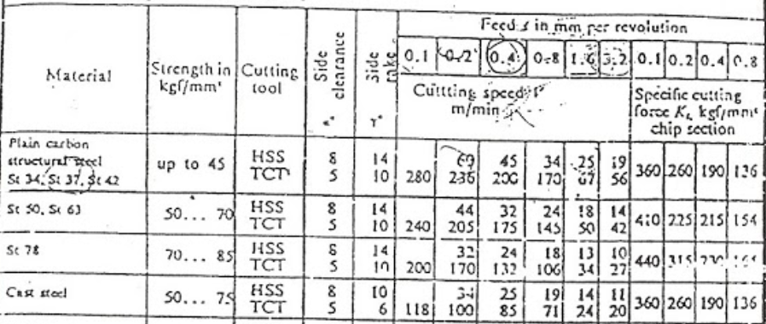
LANGKAH MEMBACA REFERENSI KALPAKJIAN - TURNING
1. Berapa feed yang ingin digunakan? (Pertimbangkan trade off-nya)

2. Material apa yang digunakan?

3. Cutting tool apa yang digunakan? (Pertimbangkan trade off HSS dan TCT)

4. Lihat cutting speed yang direkomendasikan

Upper Base
LEMBAR RENCANA PROSES |  |  |  |  |  |  |  |  | GAMBAR PART
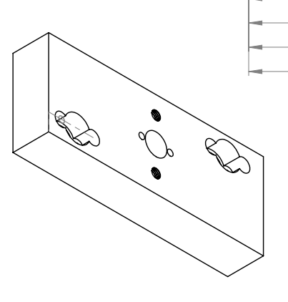
No . | 2.1 |  |  | Halaman ke-
No . Part | 2.1 |  |  | File Gambar
Nama Part | Upper Base Plate |  |  | Material | SS41
 |  |  |  | Ukuran | Panjang | 150 |  | mm
Dibuat oleh | Kelompok 19 |  |  |  | Lebar/Diameter | 60 |  | mm
Tanggal | 2024-11-30 |  |  |  | Tinggi | 25 |  | mm

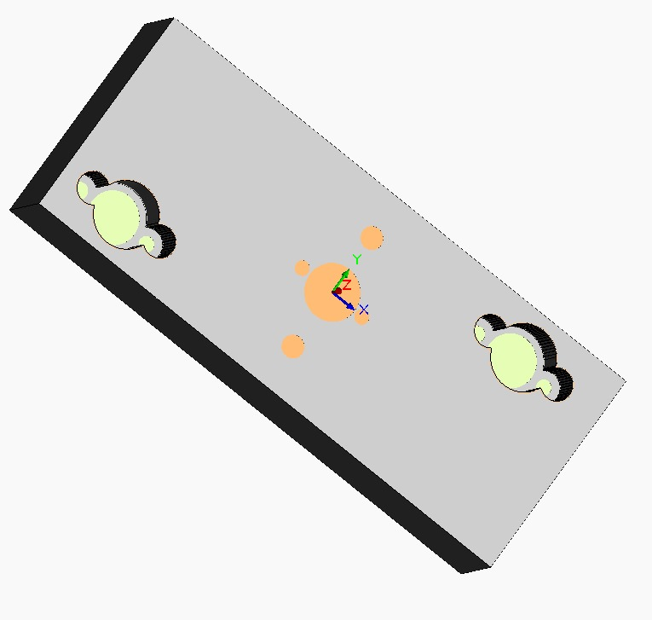
No. Proses | Urutan Operasi | Stasiun Kerja | Setup |  | Tools | Waktu Setup (detik) | Waktu Proses (detik) | Waktu Total (detik)
 |  |  | n | alat bantu
1 | Slot Milling (L = 15mm, d = 5mm, w = 15mm) (Top SIde) (Right) | CNC Milling |  | Standar Vise | HSS Milling Tools | 194.04 | 1.00 | 195.04
2 | Slot Milling (L = 15mm, d = 5mm, w = 15mm) (Top SIde) (Right) | CNC Milling |  | Standar Vise | HSS Milling Tools | 194.04 | 1.00 | 195.04
3 | Slot Milling (L = 15mm, d = 1mm, w = 15mm) (Top SIde) (Right) | CNC Milling |  | Standar Vise | HSS Milling Tools | 194.04 | 1.00 | 195.04
4 | Slot Milling (L = 4.50mm, d = 5mm, w = 4.50mm) (Top Side) (Right)2x | CNC Milling |  | Standar Vise | HSS Milling Tools | 194.04 | 0.80 | 194.84
6 | Slot Milling (L = 4.50mm, d = 5mm, w = 4.50mm) (Top Side) (Right)2x | CNC Milling |  | Standar Vise | HSS Milling Tools | 194.04 | 0.80 | 194.84
8 | Slot Milling (L = 4.50mm, d = 1mm, w = 4.50mm) (Top Side) (Right) 2x | CNC Milling |  | Standar Vise | HSS Milling Tools | 194.04 | 0.80 | 194.84
10 | Slot Milling (L= 15mm, d = 5mm, w = 15mm) Center 3x | CNC Milling |  | Standar Vise | HSS Milling Tools | 194.04 | 3.00 | 197.04
14 | Slot Milling (L= 15mm, d = 0.5mm, w = 15mm) Center | CNC Milling |  | Standar Vise | HSS Milling Tools | 194.04 | 1.00 | 195.04
15 | Drilling (D = 4mm, d = 8mm) Center 2x | CNC Milling |  | Standar Vise | HSS Center Drill | 180.19 | 0.91 | 181.10
17 | Drilling (D = 4mm, d = 7.5mm) Center 2x | CNC Milling |  | Standar Vise | HSS Center Drill | 180.19 | 0.86 | 181.04
19 | Drilling (D = 9mm, d = 8mm) Center 3x | CNC Milling |  | Standar Vise | HSS Center Drill | 180.19 | 1.37 | 181.56
22 | Drilling (D = 9mm, d = 1mm) Center | CNC Milling |  | Standar Vise | HSS Center Drill | 180.19 | 0.06 | 180.24
23 | Slot Milling (L = 14mm, d = 5mm, w = 14mm) (Top Side) (Right) 5x | CNC Milling |  | Standar Vise | HSS Milling Tools | 194.04 | 4.71 | 198.75
28 | Slot Milling (L = 4,10mm, d = 5mm, w=4.10) (Top Side) (Right) 5x | CNC Milling |  | Standar Vise | HSS Milling Tools | 194.04 | 1.89 | 195.93
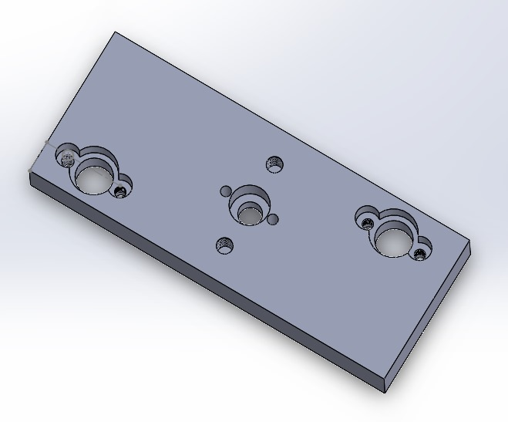
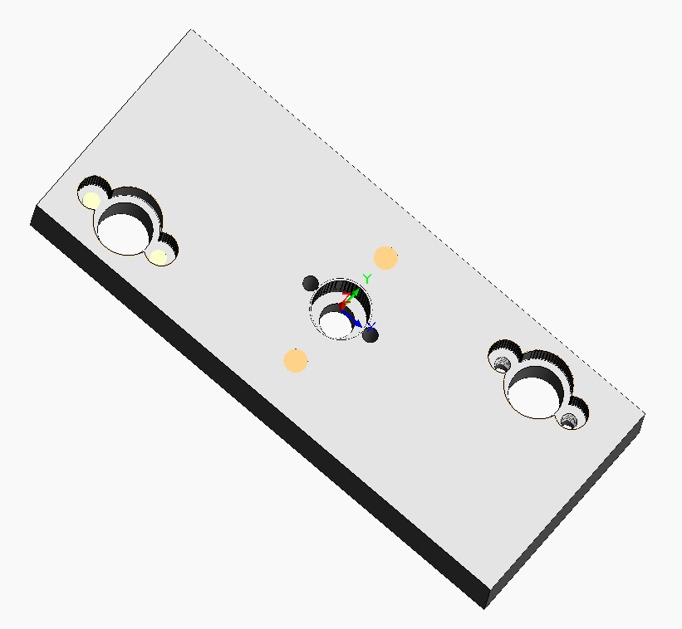
33 | Slot Milling (L = 4,10mm, d = 5mm, w=4.10) (Top Side) (Right) 5x | CNC Milling |  | Standar Vise | HSS Milling Tools | 194.04 | 1.89 | 195.93
38 | Drilling (D = 6.10mm, d = 8mm) Center 2x | CNC Milling |  | Standar Vise | HSS Center Drill | 180.19 | 0.91 | 181.10
40 | Drilling (D = 6.10mm, d = 7.5mm) Center 2x | CNC Milling |  | Standar Vise | HSS Center Drill | 180.19 | 0.86 | 181.04
41 | Inspeksi | Meja Kerja |  | Jangka Sorong | jangka Sorong | 0.00 | 180.00 | 180.00

 |  |  |  |  |  |  | Total | 3418.42

 | Raw Material |  |  |  | Produk akhir yang diinginkan
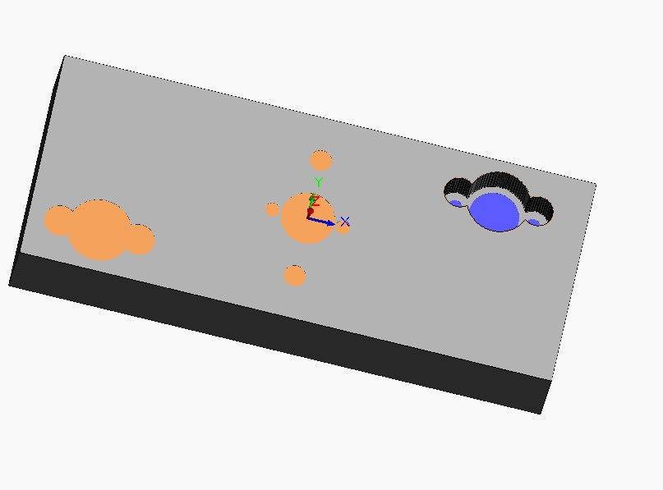

 | Ilustrasi urutan operasi berdasarkan LRP

Blank Punch
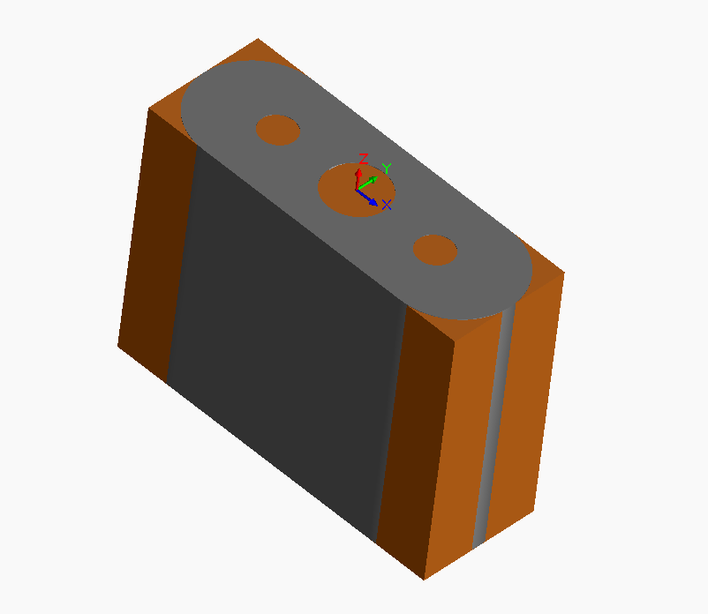
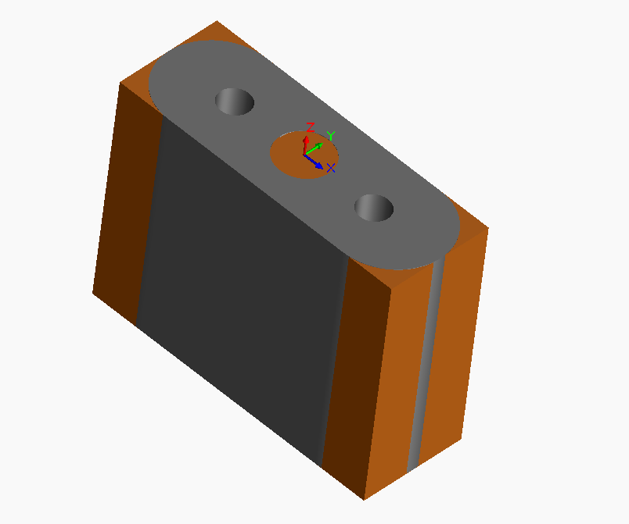
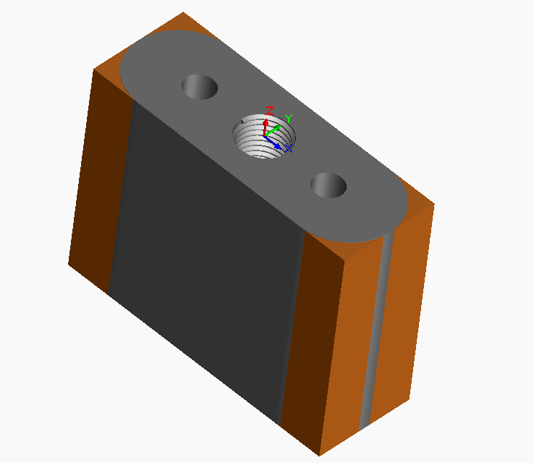
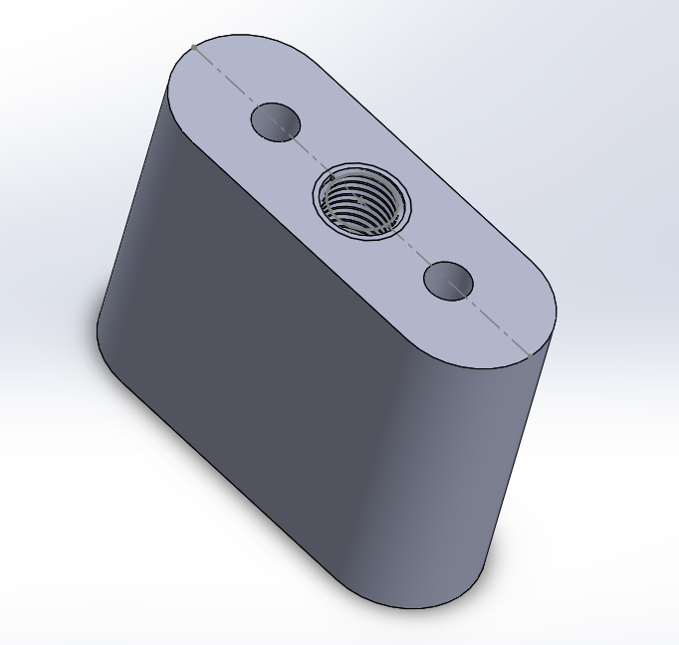
LEMBAR RENCANA PROSES |  |  |  |  |  |  |  |  | GAMBAR PART
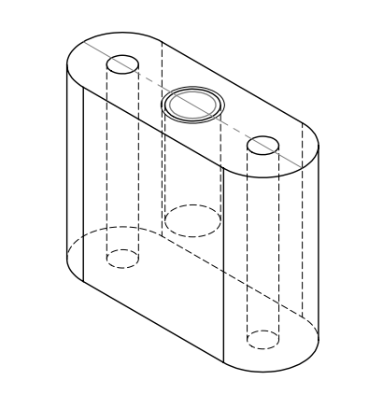
No . | 2.3 |  |  | Halaman ke-
No . Part | 2.3 |  |  | File Gambar
Nama Part | Blank Punch |  |  | Material | SKD11
 |  |  |  | Ukuran | Panjang | 39 |  | mm
Dibuat oleh | Kelompok 19 |  |  |  | Lebar/Diameter | 14 |  | mm
Tanggal | 19 Desember 2024 |  |  |  | Tinggi | 30 |  | mm

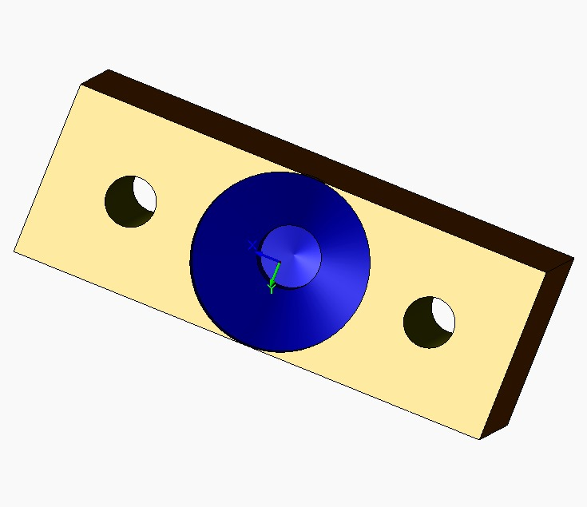
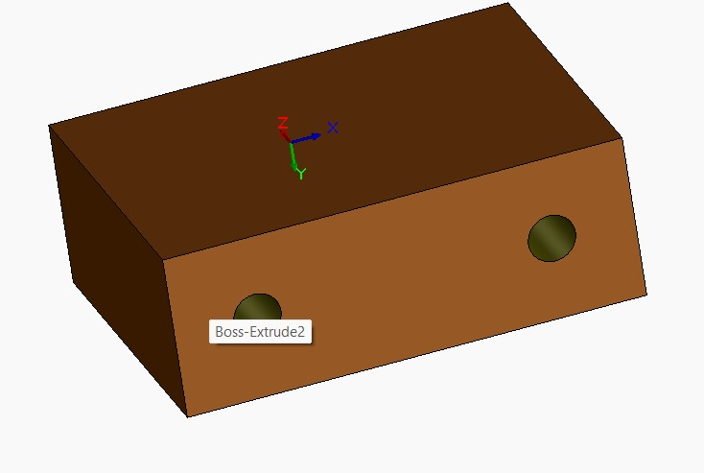
No. Proses | Urutan Operasi | Stasiun Kerja | Setup |  | Tools | Waktu Setup (detik) | Waktu Proses (detik) | Waktu Total (detik)
 |  |  | n | alat bantu
1 | Drilling (D = 4mm, d = 8mm) Right Side 5x | CNC Milling |  | Standard Vise | HSS Center Drill | 180.19 | 2.29 | 182.47
2 | Drilling (D = 4mm, d = 8mm) Left Side 5x | CNC Milling |  | Standard Vise | HSS Center Drill | 180.19 | 2.29 | 182.47
3 | Drilling (D = 8mm, d = 8mm) Center 2x | CNC Milling |  | Standard Vise | HSS Center Drill | 180.19 | 0.91 | 181.10
4 | Shell-end Milling Finishing (D = 14mm, d = 5mm) All Side 6x | CNC Milling |  | Standard Vise | HSS Milling Tools | 194.04 | 2.11 | 196.15
5 | Inspeksi | Meja Kerja |  | Jangka Sorong | Jangka Sorong | 0.00 | 180.00 | 180.00

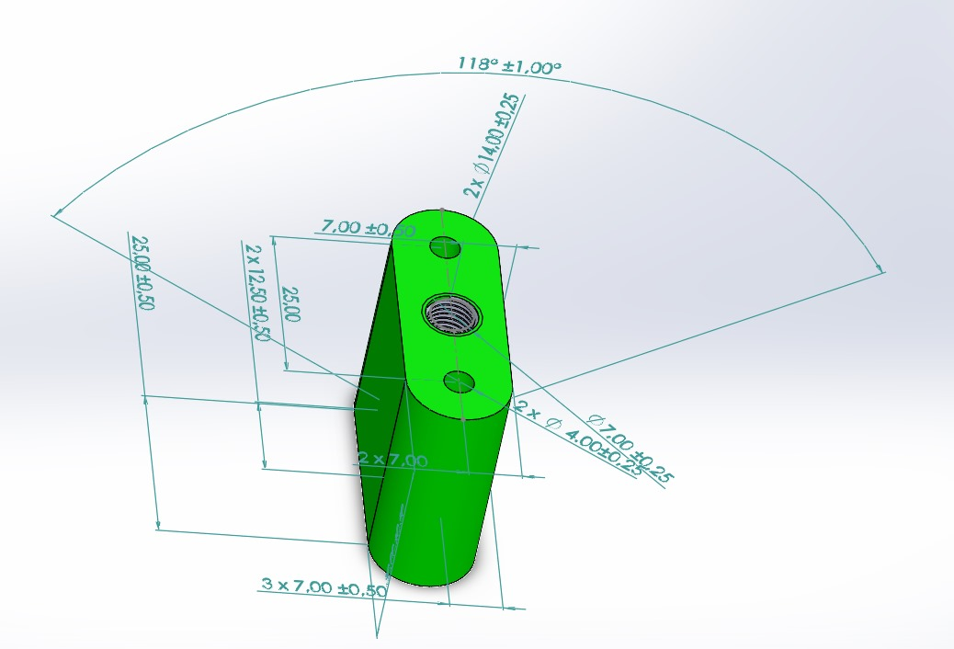
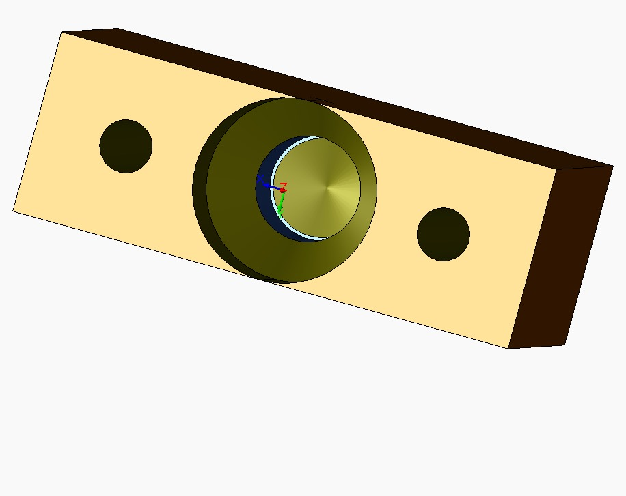

 |  |  |  |  |  |  | Total | 922.20

 | Raw Material |  |  |  | Produk akhir yang diinginkan
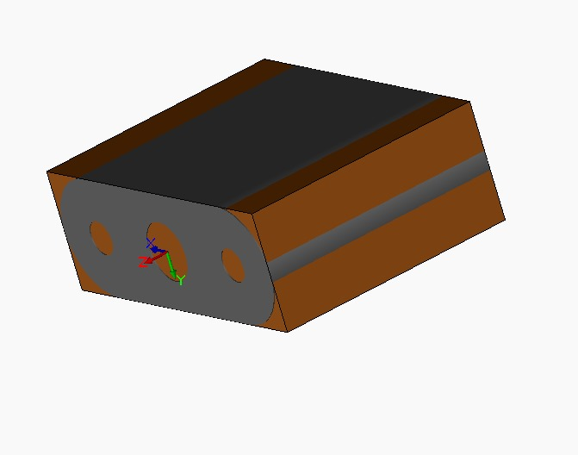
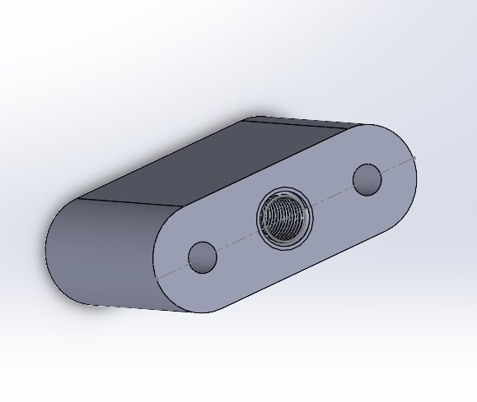

 | Ilustrasi urutan operasi berdasarkan LRP

Perhitungan LRP (Blank Punch)
PERHITUNGAN LEMBAR RENCANA PROSES |  |  |  |  |  |  |  |  |  |  |  |  |  |  |  |  |  | DRILLING |  | TURNING
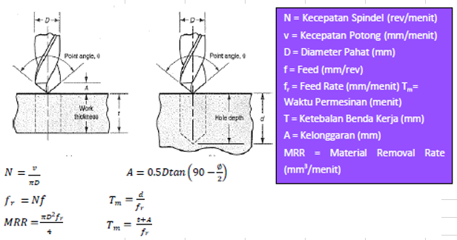
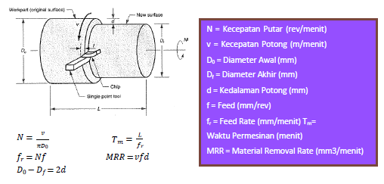

MILLING
No. Proses | Nama Proses | D (mm) | d (mm) | L (mm) | v (mm/min) | N (rev/min) | fr (mm/min) | w (mm) | A (mm) | Tm (min) | Tm (sekon) | MRR (mm3/min) | Volume Awal (mm3) | Scrap | %Scrap | Volume Akhir (mm3)
4 | Shell-end Milling Finishing (D = 14mm, d = 5mm) All Side 6x | 14 | 5 | 30 | 8,500.00 | 37898.08917 | 1050 | 14 | 7 | 0.03523809524 | 2.114285714 | 73,500.00 | 15,776.81 | 12,600.00 | 79.86% | 3,176.81

TURNING
No. Proses | Nama Proses | Do (mm) | Df (mm) | d (mm) | d maks (mm) | L (mm) | f (mm/rev) | v (mm/min) | N (rev/min) | fr (mm/min) | Tm (min) | Tm (sekon) | MRR (mm3/min) | Volume Awal (mm3) | Scrap | % Scrap | Volume Akhir (mm3)

DRILLING (TERMASUK TAPPING DAN BORING)
No. Proses | Nama Proses | D (mm) | d (mm) | f (mm/rev) | v(mm/min) | N (rev/min) | fr (mm/min) | Tm (min) | Tm (sekon) | MRR (mm3/min) | Volume Awal (mm3) | Scrap | % Scrap | Volume Akhir (mm3)
1 | Drilling (D = 4mm, d = 8mm) Right Side 5x | 4 | 8 | 0.04 | 500 | 26250 | 1050 | 0.0380952381 | 2.285714286 | 13188 | 16380 | 100.53088 | 0.006137416361 | 16279.46912
2 | Drilling (D = 4mm, d = 8mm) Left Side 5x | 4 | 8 | 0.04 | 500 | 26250 | 1050 | 0.0380952381 | 2.285714286 | 13188 | 16279.46912 | 100.53088 | 0.006175316852 | 16178.93824
3 | Drilling (D = 8mm, d = 8mm) Center 2x | 8 | 8 | 0.04 | 500 | 26250 | 1050 | 0.01523809524 | 0.9142857143 | 52752 | 16178.93824 | 402.12352 | 0.02485475339 | 15776.81472

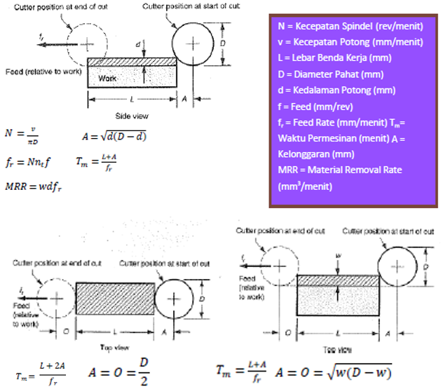
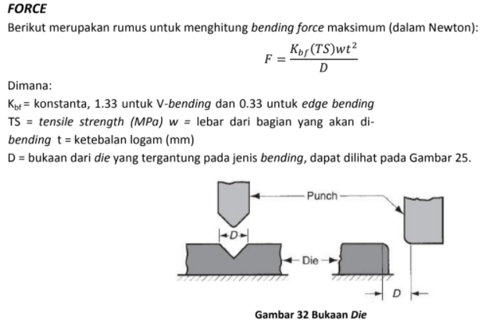
PRESSING (BLANKING, PUNCHING, EMBOSS, DEBOSS)
No. Proses | Nama Proses | TS(MPa) | t (mm) | L (mm) | Volume Awal (mm3) | SPM | Tm (min) | Tm (s) | Scrap | %Scrap | Volume Akhir (mm3) |  |  |  |  |  |  | MILLING |  | BENDING
2

 |  |  |  |  |  |  |  |  |  |  |  |  |  |  | 9

PRESSING (BENDING)
No. Proses | Nama Proses | Kbf | w (mm) | TS (Mpa) | t (mm) | D (mm) | F (N) | SPM | Tm (min) | Tm (s) | Scrap (mm3)

CUTTING (TERMASUK CHAMFERING LINEAR)
No. Proses | Nama Proses | A (mm) | t (mm) | θ | Volume Awal | Scrap | % Scrap | Volume Akhir (mm3)
5

LANGKAH MEMBACA REFERENSI KALPAKJIAN - MILLING

1. Operasi yang ingin digunakan?

2. Untuk operasi tersebut, perhatikan diameter tools (maximum width of cut) yang digunakan -> untuk pengulangan proses

3. Proses roughing atau finishing? Ingat semua milling harus ada proses finishing (kecuali dinyatakan sebaliknya).

4. Untuk operasi tersebut, perhatikan maksimum depth of cut -> untuk pengulangan proses

5. Material apa yang digunakan? Untuk stainless steel, gunakan 'Carbon steel up to 63 kgf/mm2'

6. Lihat cutting speed dan feed rate yang direkomendasikan.

 |  |  |  |  |  |  |  |  |  |  |  |  |  |  |  |  |  |  | PUNCHING/BLANKING


LANGKAH MEMBACA REFERENSI KALPAKJIAN - DRILLING

1. Berapa diameter drilling yang diinginkan?

2. Material apa yang digunakan?

3. Lihat cutting speed dan feed yang direkomendasikan (feed, bukan feed rate)
(cutting speed > feed)

4. Gunakan interpolasi apabila diperlukan (misal: ketika diameter drill 8 mm)

5. Lihat cooling/lubricant agents yang direkomendasikan bila diperlukan

LANGKAH MEMBACA REFERENSI KALPAKJIAN - TURNING
1. Berapa feed yang ingin digunakan? (Pertimbangkan trade off-nya)

2. Material apa yang digunakan?

3. Cutting tool apa yang digunakan? (Pertimbangkan trade off HSS dan TCT)

4. Lihat cutting speed yang direkomendasikan

